Local content plan
Local and Indigenous participation
- local content plan
Respondent template
 |  | 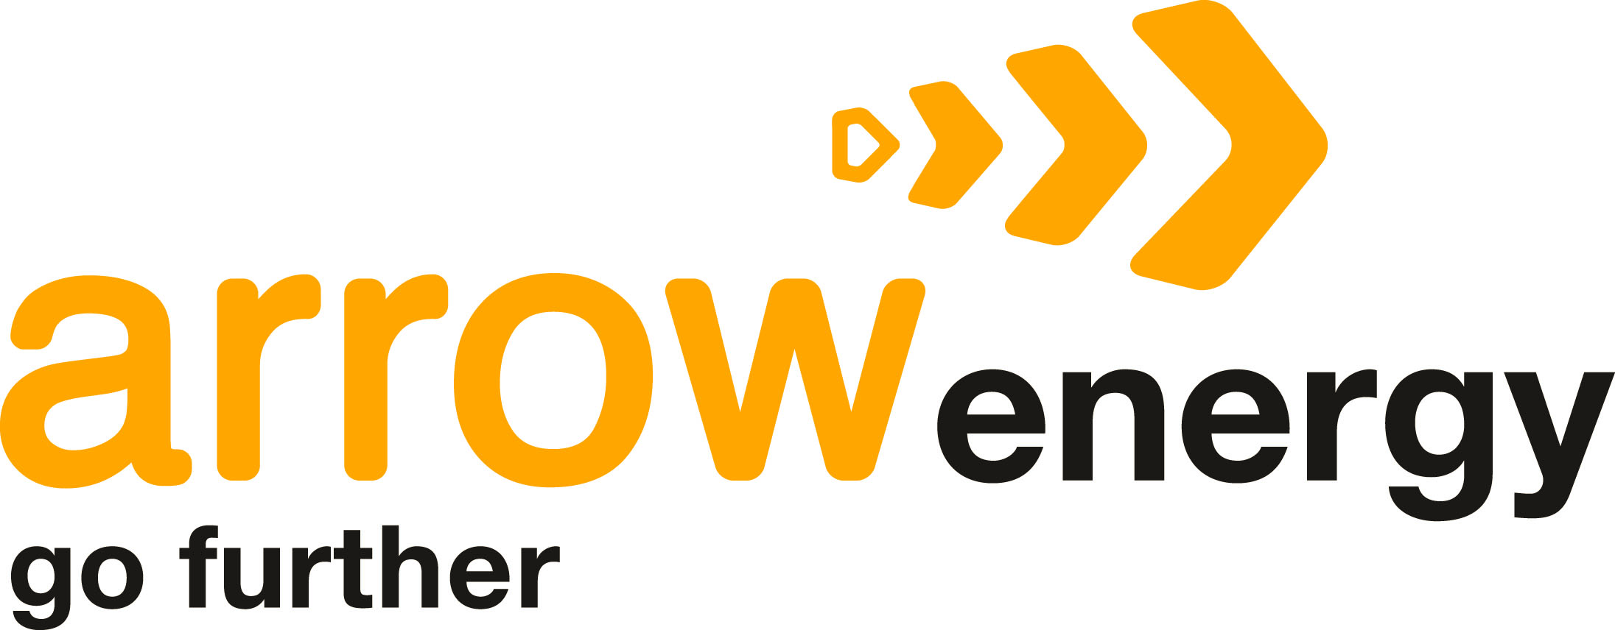
Commitment to local and Indigenous participation | Tender requirements
Arrow Energy is committed to providing local and Indigenous business and people with full, fair and reasonable opportunity to participate in the supply of goods and services and to gain employment in all Arrow operations. This commitment extends to the companies' supply chains. Arrow expects all contractors to demonstrate the same level of commitment to providing local and Indigenous suppliers with the opportunity to compete for work. Upholding this supply chain commitment supports Arrow's social licence to operate. Respondents should refer to the Arrow Local Content Policy for all definitions and commitments about full, fair and reasonable participation for local and Indigenous business and people. This policy can be found at www.arrowenergy.com.au. | Respondents are required to submit a 'draft' LCPlan with their ITT/RFP submission. It may not be possible to submit a complete LCPlan at tender stage; however respondents should provide a draft plan that is as close as possible to a final submission. The successful respondent will be required to submit their final LCPlan for Arrow's approval. The final LCPlan will be executed with the contract. The successful respondent will be required to ensure their LCPlan is accurate at all times and is updated no less than once each year.

What is the purpose of the local content plan? | Template instructions
The local content plan (LCPlan) is a forecast of procurement and employment opportunities. It identifies specific actions and strategies that suppliers / contractors will implement to support Arrow's local content requirements. All potential suppliers must develop a draft local content plan; this is a requirement of responding to any Arrow-issued invitation to tender and/or request for proposal. The winning contractor(s) is contractually obliged to submit a final, Arrow-approved LCPlan, and their performance against the LCPlan will be monitored, evaluated and used in the assessment of contract performance. | The respondent is required to follow the instructions on each worksheet. Additional comments have also been provided for specific headings. The respondent should refer to the Arrow Local Content Policy for all definitions and commitments about full, fair and reasonable participation for local and Indigenous business and people. The policy can be found at www.arrowenergy.com.au. Please refer any LCPlan questions to the primary Arrow contact listed in the ITT/RFP documentation.

What is the purpose of this template? | Submission instructions
Completing this document will assist suppliers to submit a compliant LCPlan. All sections are mandatory, however the number and type of actions may vary according to the value and type of work. The successful respondent will be measured against this plan and the actions they have agreed to implement. In the "Local content actions" section, respondents are encouraged to implement actions that are FAIR, REASONABLE and MANAGEABLE within the scope of works. Respondents are strongly encouraged to provide additional ideas, actions and solutions beyond the listed examples. | Respondents are required to submit the LCPlan with their ITT / RFP submission. LCPlan shall be saved as RespondentCompanyName_LCPlan_Draft. If submitting electronically, please ensure the file is saved in either Microsoft Excel or Adobe PDF format and that all completed cells can be clearly viewed. Please contact your primary Arrow contact if you have any questions about this template or submission requirements.

